WP-Property Tax
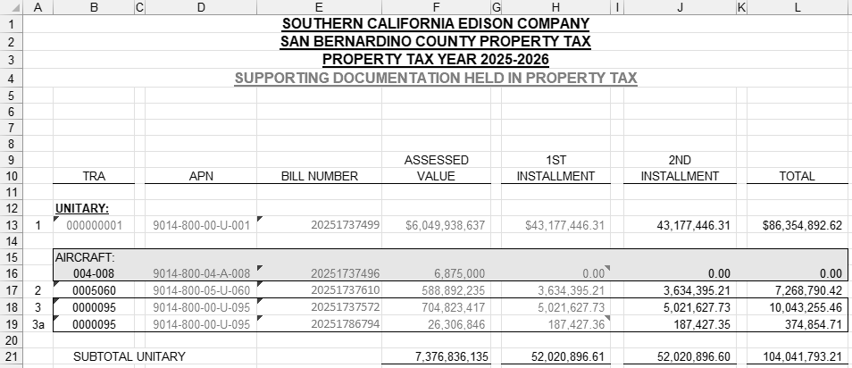
Workpaper Showing Property Taxes Paid by SCE for West of Devers Capability Rights

County | Bill Amounts Received |  | Comments
Riverside (April payment) | 2,942,537 |  | Line 14 below. The April 1, 2025 payment was the 2nd installment for 12/31/2023 property assessments.
Riverside (Dec payment) | 2,803,212 |  | Line 45 below. The December 1, 2025 payment was the 1st installment for 12/31/2024 property assessments.
San Bernardino (April payment) | 504,202 |  | Line 28 below. The April 1, 2025 payment was the 2nd installment for 12/31/2023 property assessments.
San Bernardino (Dec Payment) | 495,175 |  | Line 62 below. The December 1, 2025 payment was the 1st installment for 12/31/2024 property assessments.

Total Property Tax Payments | 6,745,126 |  | Sum of above

2023 Property assessments:

Morongo Property Tax Calculations (By County)

Riverside:
Line | Morongo LLC Investment %
1 | Morongo Transmission LLC investment in West of Devers Transmission Lines portion of West of Devers Upgrade | 400,000,000.00 | 62.750%
2 | Total Value of West of Devers Transmission Line portion of West of Devers Upgrade | 637,454,705.33

 | Transmission Line %:
3 | Transmission Lines Riverside County (miles) | 145.00 | 79.2%
4 | Circuit length of transmission lines (miles) | 183.00

 | Tax Rate:
5 | Property Tax | 108,062,526.00 | 2.126253%
6 | Unitary & Nonunitary Assessed Value | 5,082,298,406.00

7 | Property Tax Base:
8 | Morongo Plant | 400,000,000.00
9 | Less: Reserve | (32,220,134.00)
10 | Property Tax Base | 367,779,866.00

 | Riverside Property Tax for Morongo investment Calculation:
11 | Morongo Transmission LLC investment in West of Devers |  | 367,779,866.00
12 | Riverside Transmission Line % |  | 79.235%
13 | Morongo investment in Riverside |  | 291,410,276.34
14 | Assessed Value % (AV%) |  | 95.0%
15 | Morongo investment in Riverside with AV% applied |  | 276,781,480.47
16 | Riverside Tax Rate |  | 2.126253%
17 | Riverside Property Tax for Morongo investment |  | 5,885,074.73
18 | Riverside Property Tax for Morongo investment installment amount |  | 2,942,537.37

San Bernardino:

 | Morongo LLC Investment %
19 | Morongo Transmission LLC investment in West of Devers Transmission Lines portion of West of Devers Upgrade | 400,000,000.00 | 62.795%
20 | Total Value of West of Devers Transmission Line portion of West of Devers Upgrade | 636,989,020.02

 | Transmission Line %:
21 | Transmission lines San Bernardino County (miles) | 38.00 | 20.8%
22 | Circuit length of transmission lines (miles) | 183.00

 | Tax Rate:
23 | Property Tax | 101,466,032.80 | 1.390214%
24 | Unitary & Nonunitary Assessed Value | 7,298,588,439.00

 | Property Tax Base:
25 | Morongo Plant | 400,000,000.00
26 | Less: Reserve | (32,220,134.00)
27 | Property Tax Base | 367,779,866.00

 | San Bernardino Property Tax for Morongo investment Calculation:
28 | Morongo Transmission LLC investment in West of Devers |  | 367,779,866.00
29 | San Bernardino Transmission Line % |  | 20.765%
30 | Morongo investment in San Bernardino |  | 76,369,589.66
31 | Assessed Value % (AV%) |  | 94.98%
32 | Morongo investment in San Bernardino with AV% applied |  | 72,535,836.26
33 | San Bernardino Tax Rate |  | 1.390%
34 | San Bernardino Property Tax for Morongo investment |  | 1,008,403.69
35 | San Bernardino Property Tax for Morongo investment installment amount |  | 504,201.85
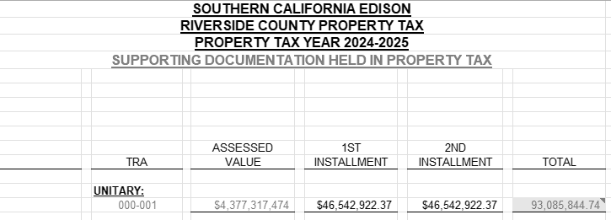

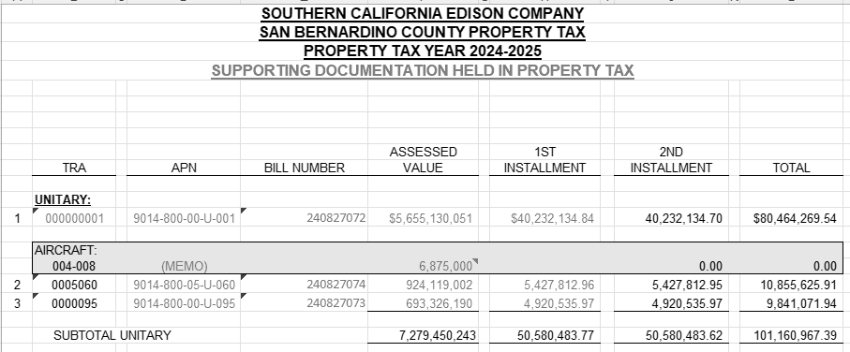

2024 Property assessments:

Morongo Property Tax Calculations (By County)

Riverside:
Line | Morongo LLC Investment %
36 | Morongo Transmission LLC investment in West of Devers Transmission Lines portion of West of Devers Upgrade | 400,000,000.00 | 62.750%
37 | Total Value of West of Devers Transmission Line portion of West of Devers Upgrade | 637,454,705.33

 | Transmission Line %:
38 | Transmission Lines Riverside County (miles) | 145.00 | 79.2%
39 | Circuit length of transmission lines (miles) | 183.00

 | Tax Rate:
40 | Property Tax | 115,741,070.06 | 2.092741%
41 | Unitary & Nonunitary Assessed Value | 5,530,596,758.00

 | Property Tax Base:
35 | Morongo Plant | 400,000,000.00
36 | Less: Reserve | (45,553,466.00)
37 | Property Tax Base | 354,446,534.00

 | Riverside Property Tax for Morongo investment Calculation:
38 | Morongo Transmission LLC investment in West of Devers |  | 354,446,534.00
39 | Riverside Transmission Line % |  | 79.235%
40 | Morongo investment in Riverside |  | 280,845,614.37
41 | Assessed Value % (AV%) |  | 95.39%
42 | Morongo investment in Riverside with AV% applied |  | 267,898,631.55
43 | Riverside Tax Rate |  | 2.092741%
44 | Riverside Property Tax for Morongo investment |  | 5,606,424.70
45 | Riverside Property Tax for Morongo investment installment amount |  | 2,803,212.35

San Bernardino:

 | Morongo LLC Investment %
46 | Morongo Transmission LLC investment in West of Devers Transmission Lines portion of West of Devers Upgrade | 400,000,000.00 | 62.750%
47 | Total Value of West of Devers Transmission Line portion of West of Devers Upgrade | 637,454,705.33

 | Transmission Line %:
48 | Transmission lines San Bernardino County (miles) | 38.00 | 20.8%
49 | Circuit length of transmission lines (miles) | 183.00

 | Tax Rate:
50 | Property Tax | 104,327,240.62 | 1.410595%
51 | Unitary & Nonunitary Assessed Value | 7,395,974,331.00

 | Property Tax Base:
52 | Morongo Plant | 400,000,000.00
53 | Less: Reserve | (45,553,466.00)
54 | Property Tax Base | 354,446,534.00

 | San Bernardino Property Tax for Morongo investment Calculation:
55 | Morongo Transmission LLC investment in West of Devers |  | 354,446,534.00
56 | San Bernardino Transmission Line % |  | 20.8%
57 | Morongo investment in San Bernardino |  | 73,600,919.63
58 | Assessed Value % (AV%) |  | 95.39%
59 | Morongo investment in San Bernardino with AV% applied |  | 70,207,917.23
60 | San Bernardino Tax Rate |  | 1.411%
61 | San Bernardino Property Tax for Morongo investment |  | 990,349.34
62 | San Bernardino Property Tax for Morongo investment installment amount |  | 495,174.67

