WP-Property Tax
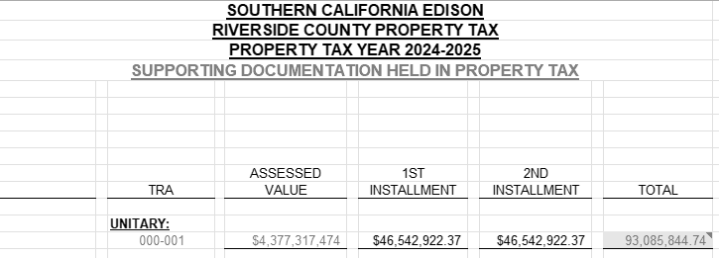
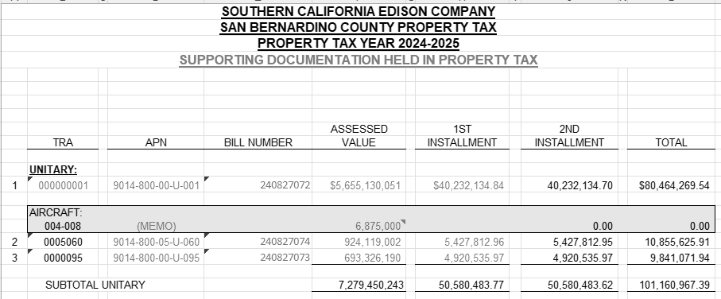
Workpaper Showing Property Taxes Paid by SCE for West of Devers Capability Rights

County | Bill Amounts Received |  | Comments
Riverside (April payment) | 2,889,585 |  | Line 14 below. The April 1, 2024 payment was the 2nd installment for 12/31/2022 property assessments.
Riverside (Dec payment) | 2,942,537 |  | Line 45 below. The December 1, 2024 payment was the 1st installment for 12/31/2023 property assessments.
San Bernardino (April payment) | 512,728 |  | Line 28 below. The April 1, 2024 payment was the 2nd installment for 12/31/2022 property assessments.
San Bernardino (Dec Payment) | 504,202 |  | Line 62 below. The December 1, 2024 payment was the 1st installment for 12/31/2023 property assessments.

Total Property Tax Payments | 6,849,052 |  | Sum of above

2022 Property assessments:

Morongo Property Tax Calculations (By County)

Riverside:
Line | Morongo LLC Investment %
1 | Morongo Transmission LLC investment in West of Devers Transmission Lines portion of West of Devers Upgrade | 400,000,000.00 | 62.960%
2 | Total Value of West of Devers Transmission Line portion of West of Devers Upgrade | 635,323,922.76

 | Transmission Line %:
3 | Transmission Lines Riverside County (miles) | 145.00 | 79.2%
4 | Circuit length of transmission lines (miles) | 183.00

 | Tax Rate:
5 | Property Tax | 101,685,535.46 | 2.039854%
6 | Unitary & Nonunitary Assessed Value | 4,984,941,115.00

7 | Property Tax Base:
8 | Morongo Plant | 400,000,000.00
9 | Less: Reserve | (18,886,802.00)
10 | Property Tax Base | 381,113,198.00

 | Riverside Property Tax for Morongo investment Calculation:
11 | Morongo Transmission LLC investment in West of Devers |  | 381,113,198.00
12 | Riverside Transmission Line % |  | 79.235%
13 | Morongo investment in Riverside |  | 301,974,938.31
14 | Assessed Value % (AV%) |  | 93.8%
15 | Morongo investment in Riverside with AV% applied |  | 283,312,887.12
16 | Riverside Tax Rate |  | 2.039854%
17 | Riverside Property Tax for Morongo investment |  | 5,779,170.10
18 | Riverside Property Tax for Morongo investment installment amount |  | 2,889,585.05

San Bernardino:

 | Morongo LLC Investment %
19 | Morongo Transmission LLC investment in West of Devers Transmission Lines portion of West of Devers Upgrade | 400,000,000.00 | 62.960%
20 | Total Value of West of Devers Transmission Line portion of West of Devers Upgrade | 635,323,922.76

 | Transmission Line %:
21 | Transmission lines San Bernardino County (miles) | 38.00 | 20.8%
22 | Circuit length of transmission lines (miles) | 183.00

 | Tax Rate:
23 | Property Tax | 92,322,290.11 | 1.381132%
24 | Unitary & Nonunitary Assessed Value | 6,684,538,220.00

 | Property Tax Base:
25 | Morongo Plant | 400,000,000.00
26 | Less: Reserve | (18,886,802.00)
27 | Property Tax Base | 381,113,198.00

 | San Bernardino Property Tax for Morongo investment Calculation:
28 | Morongo Transmission LLC investment in West of Devers |  | 381,113,198.00
29 | San Bernardino Transmission Line % |  | 20.765%
30 | Morongo investment in San Bernardino |  | 79,138,259.69
31 | Assessed Value % (AV%) |  | 93.8%
32 | Morongo investment in San Bernardino with AV% applied |  | 74,247,515.24
33 | San Bernardino Tax Rate |  | 1.381%
34 | San Bernardino Property Tax for Morongo investment |  | 1,025,456.12
35 | San Bernardino Property Tax for Morongo investment installment amount |  | 512,728.06

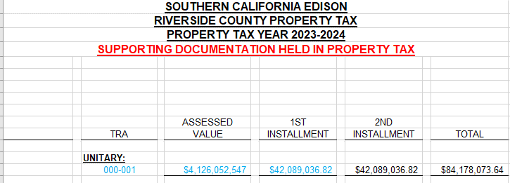

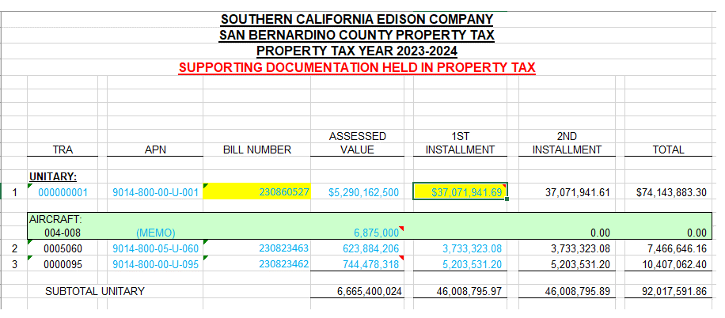

2023 Property assessments:

Morongo Property Tax Calculations (By County)

Riverside:
Line | Morongo LLC Investment %
36 | Morongo Transmission LLC investment in West of Devers Transmission Lines portion of West of Devers Upgrade | 400,000,000.00 | 62.795%
37 | Total Value of West of Devers Transmission Line portion of West of Devers Upgrade | 636,989,020.02

 | Transmission Line %:
38 | Transmission Lines Riverside County (miles) | 145.00 | 79.2%
39 | Circuit length of transmission lines (miles) | 183.00

 | Tax Rate:
40 | Property Tax | 108,062,526.00 | 2.126253%
41 | Unitary & Nonunitary Assessed Value | 5,082,298,406.00

 | Property Tax Base:
35 | Morongo Plant | 400,000,000.00
36 | Less: Reserve | (32,220,134.00)
37 | Property Tax Base | 367,779,866.00

 | Riverside Property Tax for Morongo investment Calculation:
38 | Morongo Transmission LLC investment in West of Devers |  | 367,779,866.00
39 | Riverside Transmission Line % |  | 79.235%
40 | Morongo investment in Riverside |  | 291,410,276.34
41 | Assessed Value % (AV%) |  | 94.98%
42 | Morongo investment in Riverside with AV% applied |  | 276,781,480.47
43 | Riverside Tax Rate |  | 2.126253%
44 | Riverside Property Tax for Morongo investment |  | 5,885,074.73
45 | Riverside Property Tax for Morongo investment installment amount |  | 2,942,537.37

San Bernardino:

 | Morongo LLC Investment %
46 | Morongo Transmission LLC investment in West of Devers Transmission Lines portion of West of Devers Upgrade | 400,000,000.00 | 62.795%
47 | Total Value of West of Devers Transmission Line portion of West of Devers Upgrade | 636,989,020.02

 | Transmission Line %:
48 | Transmission lines San Bernardino County (miles) | 38.00 | 20.8%
49 | Circuit length of transmission lines (miles) | 183.00

 | Tax Rate:
50 | Property Tax | 101,466,032.80 | 1.390214%
51 | Unitary & Nonunitary Assessed Value | 7,298,588,439.00

 | Property Tax Base:
52 | Morongo Plant | 400,000,000.00
53 | Less: Reserve | (32,220,134.00)
54 | Property Tax Base | 367,779,866.00

 | San Bernardino Property Tax for Morongo investment Calculation:
55 | Morongo Transmission LLC investment in West of Devers |  | 367,779,866.00
56 | San Bernardino Transmission Line % |  | 20.8%
57 | Morongo investment in San Bernardino |  | 76,369,589.66
58 | Assessed Value % (AV%) |  | 94.98%
59 | Morongo investment in San Bernardino with AV% applied |  | 72,535,836.26
60 | San Bernardino Tax Rate |  | 1.390%
61 | San Bernardino Property Tax for Morongo investment |  | 1,008,403.69
62 | San Bernardino Property Tax for Morongo investment installment amount |  | 504,201.85

